Sheet1
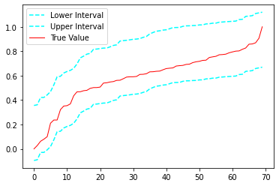
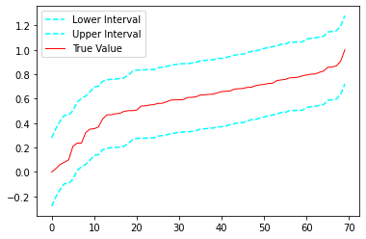
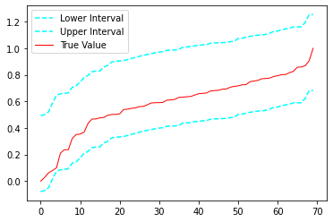
rounded
 | Significance = 0.01, Confidence = 0.99 = 99% with Conformal Predictions
 | Model Name | Average Interval Width | Coverage | Coverage (no. of instances out of 70) | Q-errors
 | MSCN | 0.45 | 1 | 70
 | Naru | 0.56 | 1 | 70
 | MSCN with BNN | 0.57 | 1 | 70 |  | ConfMSCN for all instances
 | Ensemble | 0.45 | 1 | 70

 |  |  |  |  |  |  |  | MSCN | Naru | MSCN with BNN

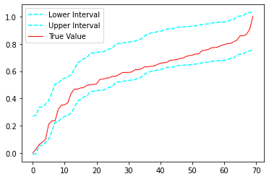
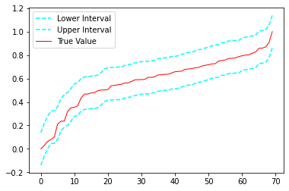
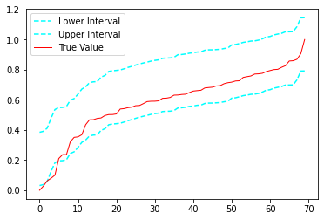
 | Significance = 0.05, Confidence = 0.95 = 95% with Conformal Predictions
 | Model Name | Average Interval Width | Coverage | Coverage (no. of instances out of 70) | Q-errors
 | MSCN | 0.28 | 0.84 | 59
 | Naru | 0.27 | 1 | 70
 | MSCN with BNN | 0.35 | 0.93 | 65
 | Ensemble | 0.27 | 1 | 70 |  | Best win Naru
 |  |  |  |  |  | for all instances

 |  |  |  |  |  |  |  | MSCN | Naru | MSCN with BNN
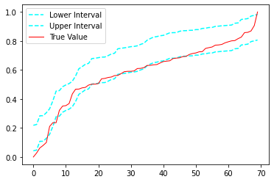
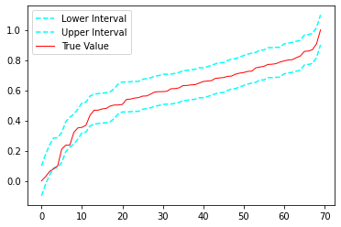
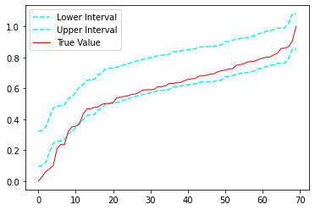
 | Significance = 0.1, Confidence = 0.90 = 90% with Conformal Predictions
 | Model Name | Average Interval Width | Coverage | Coverage (no. of instances out of 70) | Q-errors
 | MSCN | 0.18 | 0.47 | 33
 | Naru | 0.19 | 0.94 | 66
 | MSCN with BNN | 0.22 | 0.74 | 52
 | Ensemble | 0.19 | 0.94 | 66 |  | ConfNaru

 | Comparing BNN+MSCN , CP+MSCN, MSCN+BNN+CP |  |  |  |  |  |  | MSCN | Naru | MSCN with BNN
 | Significance = 0.05, Confidence = 0.95 = 95% with Conformal Predictions
 | Model Name | Average Interval Width | Coverage | Coverage (no. of instances out of 70) | Q-errors
 | MSCN + BNN + CP | 0.35 | 0.93 | 65
 | MSCN + CP | 0.28 | 0.84 | 59
 | MSCN + BNN | 0.25 | 0.94 | 66

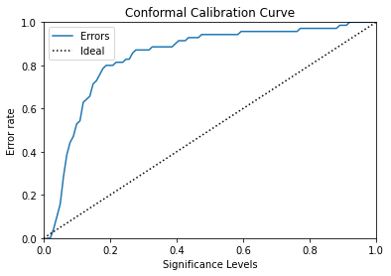
 | MSCN |  |  | Naru |  |  |  | MSCN with BNN
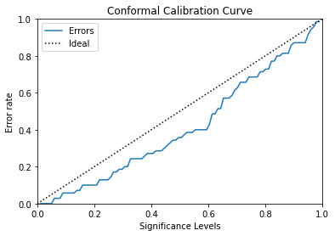
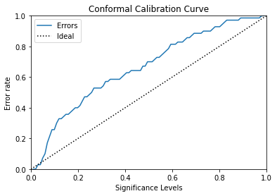

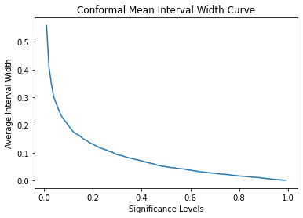
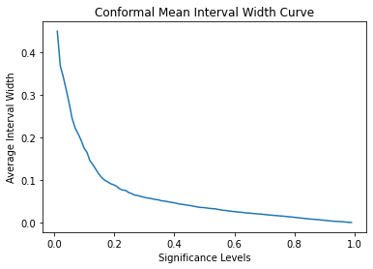
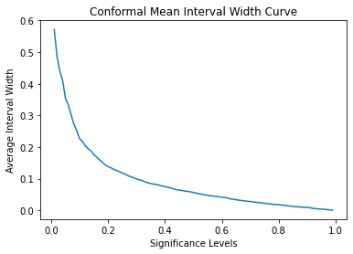

Significance = 0.01, Confidence = 0.95
Model Name | Average Interval Width | Coverage | Coverage (no. of instances out of 70) | Q-errors
MSCN | 0.45 | 0.97 | 68 | 1110.23778
Naru | 0.56 | 1 | 70
MSCN with BNN | 0.21 | 1 | 70 | 493.21196
Naru with BNN | - | - | - | 489092.86476
Ensemble

BNN intrinsic approach
Model Name | Confidence Interval= .90 | Coverage for CI= .90 | Confidence Interval= .95 | Coverage for CI=.95 | Confidence Interval= .99 | Coverage for CI=.99 | Q-errors
MSCN | - | - | - | - | - | - | 569.4925
MSCN + BNN | 0.21 | 0.913 | 0.25 | 0.941 | 0.32 | 0.9 | 493.2119
Neurocard | - | - | - | - | - | - | 11
Neurocard + BNN | - | - | - | - | - | - | 489092.86476

